Subscribe
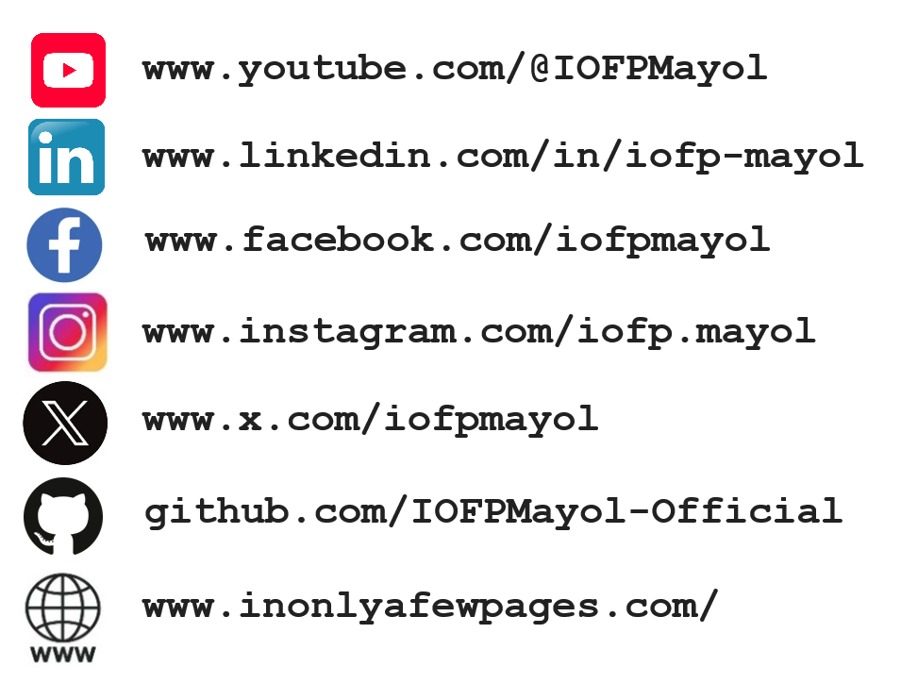
To learn more about Excel tips and projects, don’t forget to subscribe, share, and like!

Book
